Front page
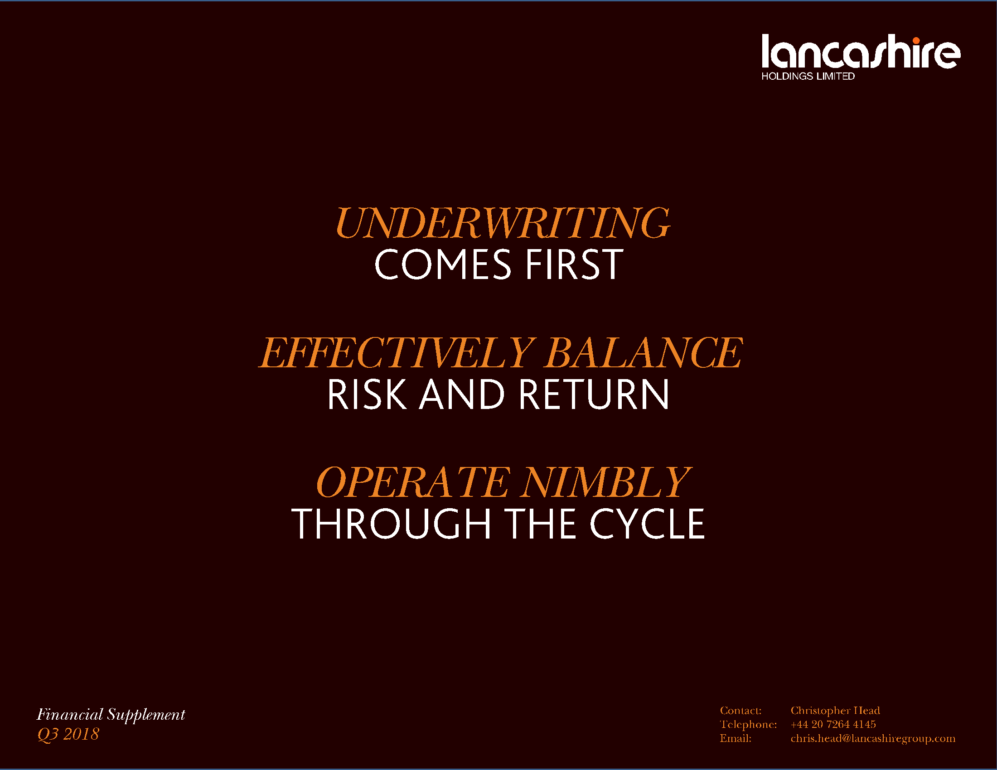

Compound growth graph
Lancashire Holdings Limited growth in fully converted book value per share plus dividends since inception

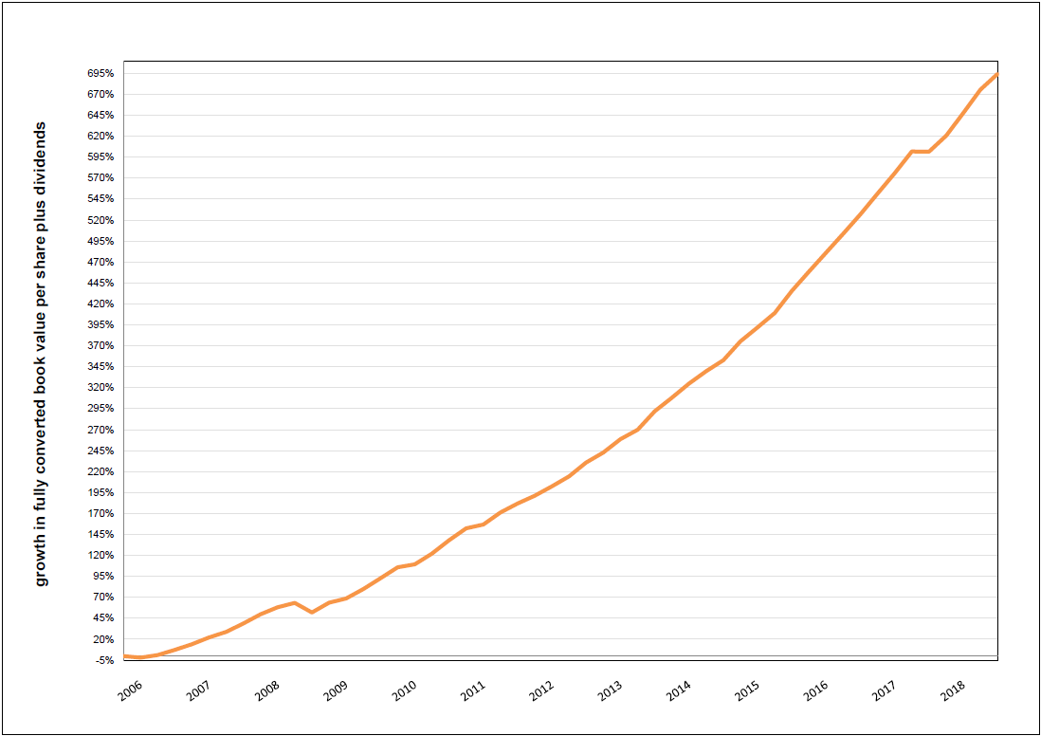

* growth in fully converted book value per share plus dividends since inception to Q3 2018
** the chart excludes the impact of historical warrant exercises

